Site Plan
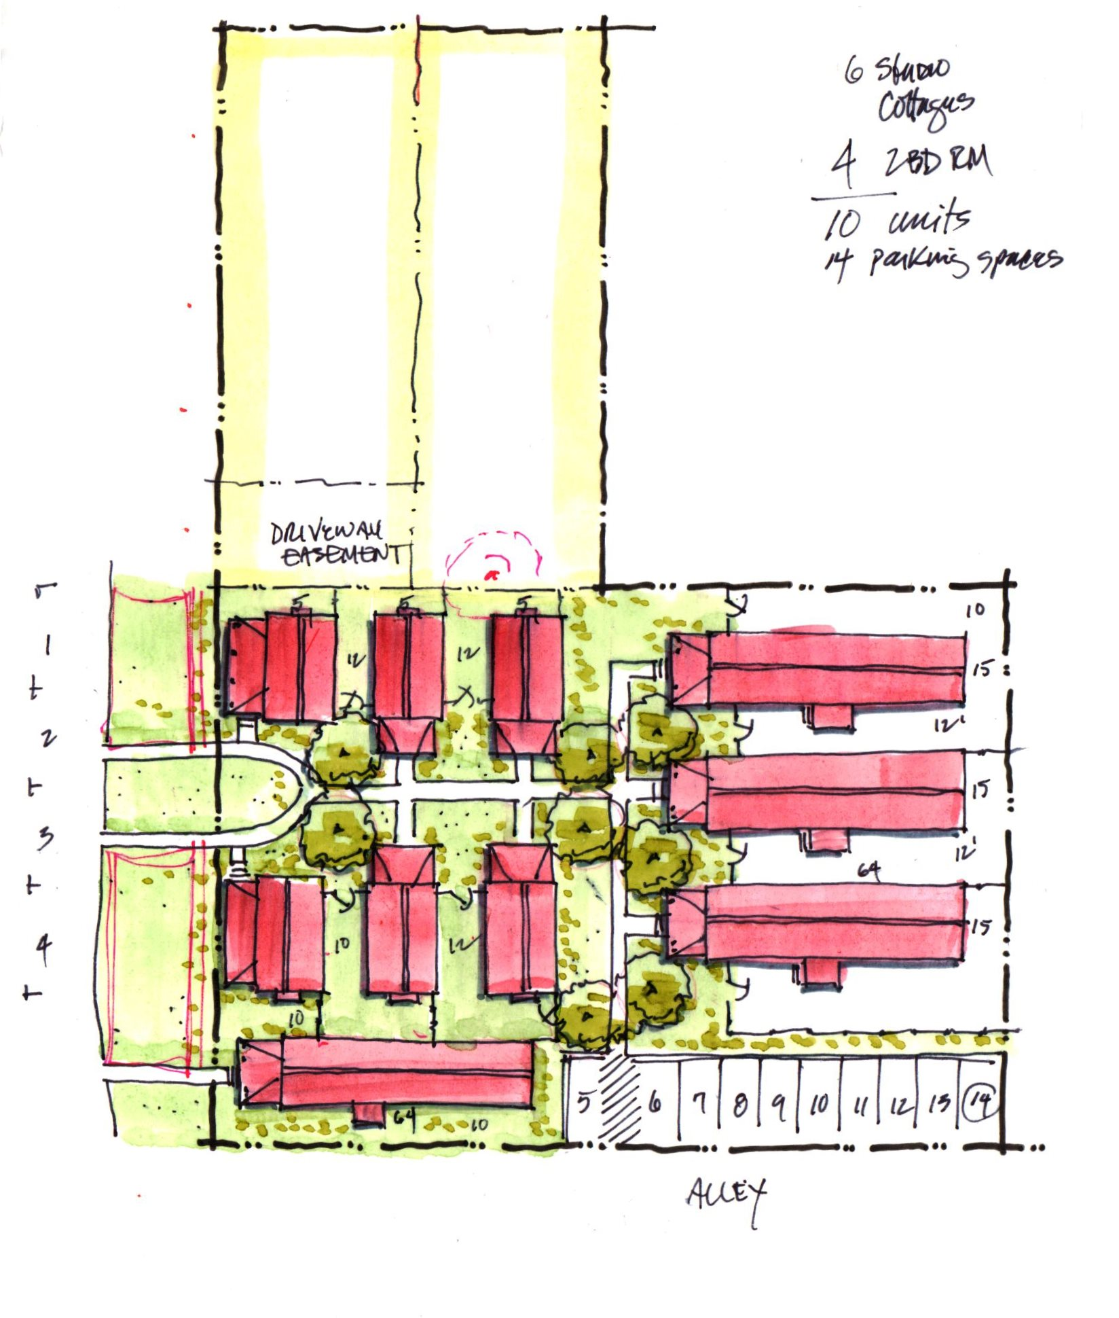
Cottage Court schematic plan 17-0822.jpg

